AB
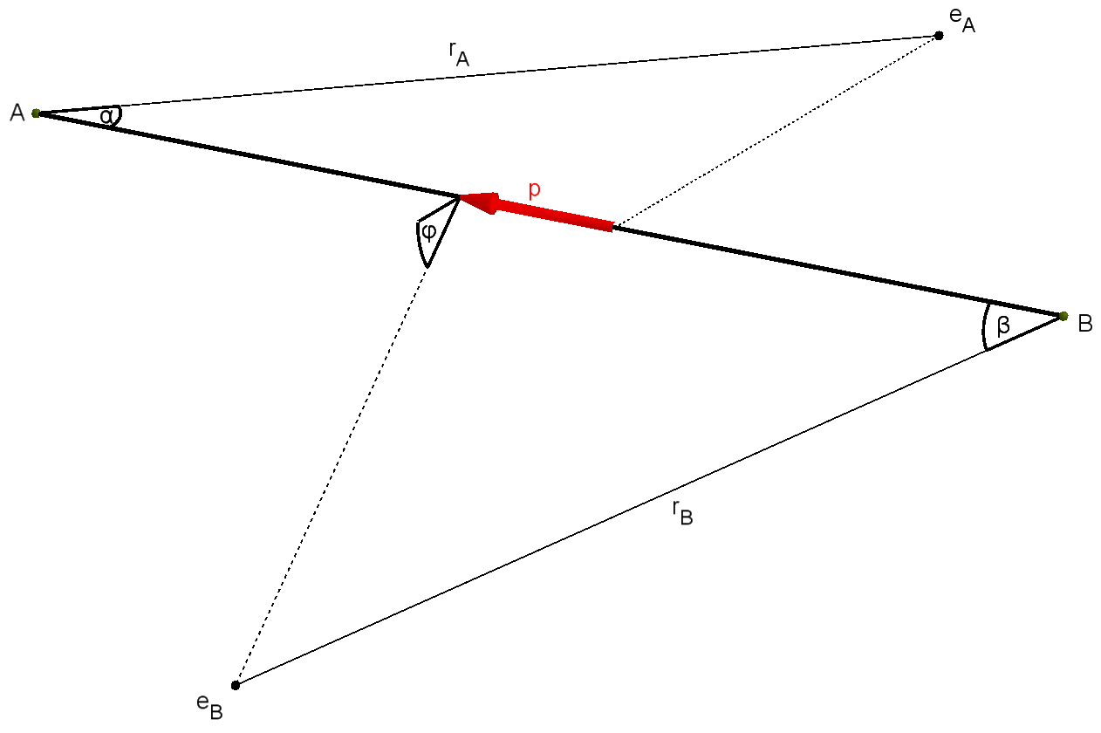
AB | Atomic properties |  |  |  |  | Molecular properties |  |  |  |  |  | Geometry |  |  |  |  | GEOGEBRA
Molecule | EA [eV] | n (EA) | EB [eV] | n (EB) | Ei | v | l [Å] | D [eV] | p [D] | EA [eV] | EB [eV] | rA [Å] | rB [Å] | α [deg] | β [deg] | φ [deg] | v | l | r1 | r2 | α | β | φ | Omega A | Omega B | par Kr(A)
H2 | -13.598 | 1 | -13.598 | 1 | A | 1 | 0.741 | -4.48 | 0.00 | -15.43 | -16.00 | 0.817 | 0.822 | 64.6 | 61.6 | 41.4 | 1.0 | 0.7412 | 0.817022656333582 | 0.822462821765386 | 1.128239757680623 | 1.0749487981999133 | 0.722952875207481 | 0.023 | 0.023 | 0.510 | 1
 | -13.598 | 1 | -13.598 | 1 | A | 1 | 0.741 | -4.52 | 0.00 | -15.60 | -16.00 | 0.813 | 0.822 | 64.5 | 61.6 | 40.8 | 1.0 | 0.7412 | 0.813208882430273 | 0.822133809848314 | 1.125054290432727 | 1.0757083015459401 | 0.712706089349068 | 0.023 | 0.023 | 0.507 | 1
D2 | -13.602 | 1 | -13.602 | 1 | A | 1 | 0.742 | -4.59 | 0.00 | -15.47 | -15.96 | 0.829 | 1.215 | 80.3 | 41.1 | 14.9 | 1.0 | 0.7415 | 0.828724547707578 | 1.21481184789349 | 1.401099984295803 | 0.717825150718611 | 0.259561818631177 | 0.021 | 0.021 | 0.511 | 1
T2 | -13.603 | 1 | -13.603 | 1 | A | 1 | 0.742 | -4.63 | 0.00 | -15.49 | -15.97 | 0.828 | 1.217 | 80.4 | 41.0 | 14.2 | 1.0 | 0.7415 | 0.827523645239136 | 1.217062265106112 | 1.403805705196036 | 0.715429533708116 | 0.247979286426591 | 0.021 | 0.021 | 0.511 | 1
F2 | -17.423 | 2 | -17.423 | 2 | A | 1 | 1.412 | -1.61 | 0.00 | -15.70 | -18.80 | 1.553 | 0.745 | 33.5 | 80.9 | 11.5 | 1.0 | 1.412 | 1.552922057288266 | 0.745117313258275 | 0.585557172150665 | 1.412050486286547 | 0.201051645000368 | 0.022 | 0.022 | 0.577 | 1
 | -17.423 | 2 | -17.423 | 2 | A | 1 | 1.412 | -1.64 | 0.00 | -16.50 | -18.80 | 1.545 | 0.742 | 32.1 | 81.9 | 10.8 | 1.0 | 1.412 | 1.544941933232592 | 0.742235172236934 | 0.561107073296477 | 1.430285314463961 | 0.188806538196797 | 0.023 | 0.023 | 0.556 | 1
Br2 | -11.814 | 2 | -11.814 | 2 | A | 1 | 2.281 | -1.97 | 0.00 | -10.52 | -12.77 | 2.667 | 1.066 | 28.1 | 93.8 | 15.5 | 1.0 | 2.281 | 2.667336997466451 | 1.0662241970974304 | 0.490851500328612 | 1.637820518499278 | 0.270524864795786 | 0.012 | 0.012 | 0.583 | 1
I2 | -10.451 | 2 | -10.451 | 2 | A | 1 | 2.667 | -1.54 | 0.00 | -9.31 | -11.01 | 1.434 | 2.999 | 92.5 | 24.4 | 18.4 | 1.0 | 2.667 | 1.434154826228235 | 2.998615491928276 | 1.61521770027926 | 0.425944250451427 | 0.321497643563236 | 0.010 | 0.010 | 0.572 | 1
Cl2 | -12.968 | 2 | -12.968 | 2 | A | 1 | 1.988 | -4.52 | 0.00 | -11.49 | -14.40 | 2.557 | 0.909 | 24.1 | 112.4 | 14.7 | 1.0 | 1.988 | 2.557162638327153 | 0.909059212563263 | 0.420070851083744 | 1.962258783564852 | 0.256579192534995 | 0.016 | 0.016 | 0.606 | 1
 | -12.968 | 2 | -12.968 | 2 | A | 1 | 1.988 | -4.52 | 0.00 | -11.32 | -14.40 | 2.561 | 0.909 | 24.4 | 112.2 | 14.6 | 1.0 | 1.988 | 2.561028616101999 | 0.909331533691209 | 0.425952323865204 | 1.958980547997679 | 0.255002855297542 | 0.016 | 0.016 | 0.612 | 1
 | -12.968 | 2 | -12.968 | 2 | A | 1 | 1.988 | -2.48 | 0.00 | -11.32 | -14.40 | 2.364 | 0.942 | 29.2 | 94.6 | 15.9 | 1.0 | 1.988 | 2.363806312088329 | 0.941623755302447 | 0.509103537508174 | 1.651630619877434 | 0.278048958892673 | 0.014 | 0.014 | 0.601 | 1
 | -12.968 | 2 | -12.968 | 2 | A | 1 | 1.988 | -2.48 | 0.00 | -11.49 | -14.40 | 2.360 | 0.941 | 28.8 | 94.8 | 16.0 | 1.0 | 1.988 | 2.359602446527498 | 0.941144747290896 | 0.50291928471905 | 1.655299061655742 | 0.279351089898651 | 0.014 | 0.014 | 0.595 | 1
Li2 | -5.392 | 1 | -5.392 | 1 | A | 1 | 2.673 | -1.09 | 0.00 | -5.00 | -6.06 | 2.673 | 2.635 | 65.2 | 53.9 | 17.7 | 1.0 | 2.673 | 2.67332971359275 | 2.635099590638827 | 1.137572708060453 | 0.94160186899983 | 0.309309973654992 | 0.004 | 0.004 | 0.564 | 1
 | -5.392 | 1 | -5.392 | 1 | A | 1 | 2.673 | -1.14 | 0.00 | -5.11 | -6.07 | 2.609 | 2.676 | 66.3 | 52.6 | 14.5 | 1.0 | 2.673 | 2.609284994279539 | 2.675825163733919 | 1.157909676633432 | 0.91767638323242 | 0.252301480317797 | 0.004 | 0.004 | 0.558 | 1
Na2 | -5.139 | 1 | -5.139 | 1 | A | 1 | 3.078 | -0.75 | 0.00 | -4.89 | -5.60 | 2.805 | 3.058 | 66.8 | 49.9 | 12.6 | 1.0 | 3.0779999999999998 | 2.805452184791193 | 3.0584643314662578 | 1.165193346301223 | 0.870485156707132 | 0.219618633839424 | 0.004 | 0.004 | 0.548 | 1
 | -5.139 | 1 | -5.139 | 1 | A | 1 | 3.078 | -0.78 | 0.00 | -4.89 | -5.61 | 2.792 | 3.075 | 67.3 | 49.4 | 12.2 | 1.0 | 3.0779999999999998 | 2.791923098308601 | 3.0749873731523456 | 1.175423366321385 | 0.861523604004181 | 0.212326257966915 | 0.004 | 0.004 | 0.549 | 1
K2 | -4.341 | 1 | -4.341 | 1 | A | 1 | 3.923 | -0.51 | 0.00 | -4.00 | -4.67 | 3.448 | 3.854 | 67.6 | 47.4 | 5.5 | 1.0 | 3.923 | 3.448057398880658 | 3.854044734301757 | 1.180302594626616 | 0.82665004377786 | 0.0954947603739829 | 0.003 | 0.003 | 0.558 | 1
Rb2 | -4.177 | 1 | -4.177 | 1 | A | 1 | 4.200 | -0.49 | 0.00 | -3.44 | -4.55 | 3.895 | 4.022 | 68.1 | 46.9 | 8.2 | 1.0 | 4.2 | 3.894606020818688 | 4.0215996950081969 | 1.189026083671957 | 0.818165333254348 | 0.143367790182955 | 0.003 | 0.003 | 0.603 | 1
 | -4.177 | 1 | -4.177 | 1 | A | 1 | 4.200 | -0.51 | 0.00 | -3.95 | -4.49 | 3.469 | 4.242 | 70.4 | 44.3 | 2.7 | 1.0 | 4.2 | 3.468546404869307 | 4.24248598174925 | 1.229263748392348 | 0.772519820929634 | 0.0464754149037213 | 0.003 | 0.003 | 0.549 | 1
Cs2 | -3.894 | 1 | -3.894 | 1 | A | 1 | 4.580 | -0.46 | 0.00 | -3.59 | -4.19 | 3.801 | 4.598 | 70.6 | 43.8 | 1.3 | 1.0 | 4.58 | 3.801495281327688 | 4.598298083028246 | 1.23208137845428 | 0.765086102627558 | 0.0221643903636332 | 0.002 | 0.002 | 0.559 | 1
 | -3.894 | 1 | -3.894 | 1 | A | 1 | 4.580 | -0.45 | 0.00 | -3.82 | -4.16 | 3.611 | 4.684 | 71.3 | 43.1 | 0.5 | 1.0 | 4.58 | 3.611360193362305 | 4.684190183261482 | 1.243573992366259 | 0.752537012906317 | 0.00848346631432979 | 0.003 | 0.003 | 0.533 | 1
He2 | -24.587 | 2 | -24.587 | 2 | A | 1 | 1.081 | -0.04 | 0.00 | -22.22 | -24.92 | 0.646 | 1.052 | 73.1 | 31.9 | 9.3 | 1.0 | 1.081 | 0.646101938199689 | 1.0519240049132754 | 1.275822957858405 | 0.556552784153346 | 0.162649054087836 | 0.035 | 0.035 | 0.553 | 1
Be2 | -9.323 | 2 | -9.323 | 2 | A | 2 | 2.460 | -0.61 | 0.00 | -7.42 | -9.74 | 1.856 | 2.378 | 73.0 | 36.3 | 16.1 | 2.0 | 2.46 | 1.856216301616946 | 2.377563980128564 | 1.273291677243761 | 0.633745423716771 | 0.280363886076711 | 0.008 | 0.008 | 0.614 | 1
C2 | -11.260 | 2 | -11.260 | 2 | A | 2 | 1.307 | -6.25 | 0.00 | -12.15 | -12.91 | 1.474 | 1.032 | 45.0 | 75.2 | 4.9 | 2.0 | 1.307 | 1.473855155717445 | 1.0323366037084818 | 0.785033726102254 | 1.311744822644472 | 0.0858909886762479 | 0.015 | 0.015 | 0.521 | 1
O2 | -13.618 | 1 | -13.618 | 1 | A | 2 | 1.207 | -5.17 | 0.00 | -12.07 | -17.00 | 1.396 | 0.832 | 47.0 | 72.2 | 8.0 | 2.0 | 1.207 | 1.395911458754737 | 0.832200794476084 | 0.8203069845659 | 1.259379132468992 | 0.139242259352182 | 0.018 | 0.018 | 0.624 | 1
 | -13.618 | 1 | -13.618 | 1 | A | 2 | 1.207 | -5.12 | 0.00 | -12.07 | -17.00 | 1.395 | 0.833 | 47.1 | 72.0 | 8.0 | 2.0 | 1.207 | 1.394583081756287 | 0.832943394693329 | 0.821570071014143 | 1.256896756736364 | 0.140210366767229 | 0.018 | 0.018 | 0.624 | 1
S2 | -10.360 | 1 | -10.360 | 1 | A | 2 | 1.889 | -4.37 | 0.00 | -9.36 | -11.72 | 1.377 | 2.078 | 83.4 | 33.6 | 3.9 | 2.0 | 1.889 | 1.37701289265907 | 2.0779523778832498 | 1.456128943641034 | 0.58584192834477 | 0.0674474121015449 | 0.011 | 0.011 | 0.586 | 1
N2 | -14.534 | 3 | -14.534 | 3 | A | 3 | 1.098 | -9.79 | 0.00 | -15.58 | -16.80 | 0.849 | 1.197 | 77.0 | 40.8 | 0.0 | 3.0 | 1.0975999999999999 | 0.848935971553052 | 1.196872358217356 | 1.34334146389834 | 0.711915804413013 | 0 | 0.021 | 0.021 | 0.528 | 1
 | -14.534 | 3 | -14.534 | 3 | A | 3 | 1.098 | -9.77 | 0.00 | -15.58 | -16.80 | 0.849 | 1.196 | 76.9 | 40.8 | 0.0 | 3.0 | 1.0975999999999999 | 0.84914521530637 | 1.196415372611941 | 1.342612782389978 | 0.712304615569122 | 0.28398837661137E-05 | 0.021 | 0.021 | 0.528 | 1
HD | -13.598 | 1 | -13.602 | 1 | A | 1 | 0.741 | -4.55 | 0.00 | -15.45 | -15.93 | 0.819 | 0.822 | 64.3 | 61.9 | 41.1 | 1.0 | 0.7414 | 0.818870211239847 | 0.821925831452477 | 1.122762840282152 | 1.0810020457817524 | 0.717966832243737 | 0.023 | 0.023 | 0.509 | 1
HF | -13.598 | 1 | -17.423 | 2 | A | 1 | 0.917 | -5.90 | 1.82 | -16.01 | -19.90 | 0.829 | 0.711 | 70.0 | 69.0 | 27.1 | 1.0 | 0.9168 | 0.828957403819119 | 0.710933479601257 | 1.221552432731374 | 1.205127448565241 | 0.473780315241965 | 0.025 | 0.025 | 0.579 | 1
 | -13.598 | 1 | -17.423 | 2 | A | 1 | 0.917 | -5.90 | 1.82 | -17.00 | -19.90 | 0.799 | 0.712 | 69.4 | 68.9 | 22.0 | 1.0 | 0.9168 | 0.798579623323422 | 0.71194761568693 | 1.211125066810582 | 1.201782014333293 | 0.383333912591026 | 0.025 | 0.025 | 0.559 | 1
HCl | -13.598 | 1 | -12.968 | 2 | B | 1 | 1.274 | -4.47 | 1.07 | -16.30 | -12.74 | 1.278 | 0.979 | 40.4 | 85.4 | 10.6 | 1.0 | 1.2744 | 1.278369483953943 | 0.978830413755911 | 0.70515802541895 | 1.490888983541071 | 0.184572864574953 | 0.018 | 0.018 | 0.419 | 1
HBr | -13.598 | 1 | -11.814 | 2 | B | 1 | 1.415 | -3.79 | 0.82 | -14.98 | -11.67 | 1.460 | 1.076 | 38.2 | 84.9 | 3.4 | 1.0 | 1.4145 | 1.460207850321138 | 1.0764254594246128 | 0.66620241635216 | 1.481684299457547 | 0.0596478078408805 | 0.015 | 0.015 | 0.415 | 1
HI | -13.598 | 1 | -10.451 | 2 | B | 1 | 1.609 | -3.05 | 0.45 | -12.37 | -10.39 | 1.721 | 1.210 | 34.3 | 85.5 | 4.9 | 1.0 | 1.6092 | 1.721297319037762 | 1.210204820826978 | 0.599048648488369 | 1.491537834103397 | 0.085230457908403 | 0.013 | 0.013 | 0.393 | 1
HC | -13.598 | 1 | -11.260 | 2 | B | 1 | 1.120 | -3.51 | 1.57 | -14.58 | -11.13 | 0.962 | 1.137 | 66.8 | 68.6 | 45.5 | 1.0 | 1.1202 | 0.962472038542073 | 1.1369221321374 | 1.166444476772645 | 1.197460357576291 | 0.794347448960775 | 0.015 | 0.015 | 0.411 | 1
NH | -14.534 | 3 | -13.598 | 1 | B | 1 | 1.045 | -3.69 | 1.63 | -16.28 | -13.10 | 0.870 | 1.001 | 67.0 | 68.6 | 43.6 | 1.0 | 1.0449999999999999 | 0.869573764853027 | 1.000618078300628655 | 1.169649103813474 | 1.196914506736644 | 0.760120808890011 | 0.019 | 0.019 | 0.425 | 1
OH | -13.618 | 1 | -13.598 | 1 | B | 1 | 0.971 | -4.46 | 1.78 | -16.18 | -13.18 | 0.837 | 0.954 | 70.0 | 70.8 | 49.2 | 1.0 | 0.9706 | 0.837025277573588 | 0.953675324712581 | 1.221560026244183 | 1.23574560837618 | 0.859249689674363 | 0.019 | 0.019 | 0.433 | 1
FCl | -17.423 | 2 | -12.968 | 2 | B | 1 | 1.628 | -2.70 | 0.88 | -13.13 | -12.66 | 0.833 | 1.776 | 88.8 | 36.5 | 12.4 | 1.0 | 1.628 | 0.832646400574476 | 1.775879677970558 | 1.550335032371555 | 0.636863127553464 | 0.216243841603671 | 0.016 | 0.016 | 0.383 | 1
BrF | -11.814 | 2 | -17.423 | 2 | A | 1 | 1.755 | -2.90 | 1.29 | -11.78 | -16.63 | 1.912 | 0.819 | 36.4 | 93.7 | 0.0 | 1.0 | 1.755 | 1.912364728342145 | 0.819441507015488 | 0.635864361149048 | 1.634531348600285 | 0.000478084126964967 | 0.016 | 0.016 | 0.659 | 1
BrCl | -11.814 | 2 | -12.968 | 2 | A | 1 | 2.138 | -2.27 | 0.57 | -11.10 | -11.21 | 2.427 | 0.983 | 29.9 | 95.0 | 0.0 | 1.0 | 2.138 | 2.427233862424937 | 0.982879508206523 | 0.521567695468474 | 1.657571588536831 | 0.34692262146726E-05 | 0.013 | 0.013 | 0.604 | 1
ICl | -10.451 | 2 | -12.968 | 2 | A | 1 | 2.321 | -2.19 | 0.65 | -10.08 | -10.38 | 1.302 | 2.535 | 94.9 | 25.1 | 0.0 | 1.0 | 2.3207 | 1.302036649961433 | 2.534675230774093 | 1.655773143896921 | 0.437561243629305 | 0 | 0.011 | 0.011 | 0.593 | 1
IBr | -10.450 | 2 | -11.814 | 2 | A | 1 | 2.485 | -1.86 | 0.74 | -9.85 | -9.90 | 2.781 | 1.137 | 29.6 | 94.4 | 0.0 | 1.0 | 2.485 | 2.781474842537396 | 1.137289313884431 | 0.516680022901654 | 1.647226022253631 | 0.86366567611639E-05 | 0.010 | 0.010 | 0.595 | 1
LiI | -5.392 | 1 | -10.451 | 2 | A | 1 | 2.392 | -3.58 | 7.43 | -8.55 | -9.86 | 1.423 | 1.969 | 113.7 | 44.0 | 0.0 | 1.0 | 2.3919 | 1.422701536089493 | 1.969011995224651 | 1.983806964939105 | 0.76824512102789 | 0 | 0.010 | 0.010 | 0.476 | 1
NaI | -5.139 | 1 | -10.451 | 2 | A | 1 | 2.712 | -3.15 | 9.21 | -7.64 | -9.60 | 1.580 | 2.098 | 119.7 | 41.3 | 0.0 | 1.0 | 2.7115 | 1.579924539081903 | 2.0975490729717166 | 2.0885116640884984 | 0.720796649293742 | 0 | 0.009 | 0.009 | 0.496 | 1
 | -5.139 | 1 | -10.451 | 2 | A | 1 | 2.712 | -2.99 | 9.21 | -8.80 | -9.36 | 1.411 | 2.127 | 123.7 | 42.2 | 0.1 | 1.0 | 2.7115 | 1.411150614336074 | 2.126971036949288 | 2.158828808450712 | 0.735773306265205 | 0.0012268404686154 | 0.010 | 0.010 | 0.404 | 1
 | -5.139 | 1 | -10.451 | 2 | A | 1 | 2.712 | -2.99 | 9.21 | -7.64 | -9.51 | 1.588 | 2.057 | 116.8 | 42.8 | 0.0 | 1.0 | 2.7115 | 1.587839165669824 | 2.0574154821652586 | 2.039180481191238 | 0.746153950409107 | 0 | 0.009 | 0.009 | 0.507 | 1
NaCl | -5.139 | 1 | -12.967 | 2 | A | 1 | 2.361 | -4.27 | 8.97 | -9.20 | -11.45 | 1.294 | 1.883 | 139.9 | 38.0 | 1.1 | 1.0 | 2.3606 | 1.293885227643927 | 1.882626453303879 | 2.441727897815257 | 0.663899440508804 | 0.0191028714910099 | 0.013 | 0.013 | 0.340 | 1
 | -5.139 | 1 | -12.967 | 2 | A | 1 | 2.361 | -4.27 | 8.97 | -8.93 | -11.48 | 1.326 | 1.868 | 137.4 | 38.2 | 0.9 | 1.0 | 2.3606 | 1.325691083992213 | 1.867871489798009 | 2.397937405678535 | 0.665984083922455 | 0.0157225018240387 | 0.013 | 0.013 | 0.377 | 1
NaBr | -5.139 | 1 | -11.814 | 2 | A | 1 | 2.502 | -3.76 | 9.09 | -8.31 | -10.62 | 1.433 | 1.963 | 129.2 | 39.5 | 13.4 | 1.0 | 2.502 | 1.433169295051567 | 1.963425140107686 | 2.254720381983367 | 0.689454220430805 | 0.234141246805953 | 0.011 | 0.011 | 0.442 | 1
LiH | -5.392 | 1 | -13.598 | 1 | A | 1 | 1.595 | -2.47 | 5.88 | -7.90 | -11.10 | 1.411 | 1.242 | 90.7 | 71.8 | 65.8 | 1.0 | 1.5953 | 1.410807099460716 | 1.242311750312887 | 1.583441438665598 | 1.252747499770246 | 1.148845347406028 | 0.010 | 0.010 | 0.588 | 1
LiF | -5.392 | 1 | -17.422 | 2 | A | 1 | 1.564 | -5.98 | 6.28 | -11.30 | -14.80 | 1.019 | 1.194 | 120.5 | 49.6 | 8.9 | 1.0 | 1.5639 | 1.0189833632126082 | 1.193911790802439 | 2.102660823669115 | 0.866393293781198 | 0.154900681740846 | 0.017 | 0.017 | 0.482 | 1
KCl | -4.341 | 1 | -12.967 | 2 | A | 1 | 2.667 | -4.37 | 10.25 | -8.44 | -11.15 | 1.403 | 2.304 | 162.8 | 31.6 | 0.0 | 1.0 | 2.6666 | 1.402735701399804 | 2.303604918073868 | 2.841601503127995 | 0.551587160626179 | 0.6016566637302E-15 | 0.015 | 0.015 | 0.105 | 1
KBr | -4.341 | 1 | -11.814 | 2 | A | 1 | 2.821 | -3.93 | 10.60 | -7.85 | -10.33 | 1.509 | 2.344 | 153.0 | 33.3 | 13.2 | 1.0 | 2.8207 | 1.508858608938334 | 2.343712288835893 | 2.670096829048919 | 0.581908569109168 | 0.229639763183428 | 0.012 | 0.012 | 0.221 | 1
KF | -4.341 | 1 | -17.422 | 2 | A | 1 | 2.172 | -5.07 | 8.56 | -5.07 | -14.50 | 1.903 | 1.518 | 117.4 | 33.6 | 11.5 | 1.0 | 2.1715 | 1.902701527470414 | 1.518384629979156 | 2.0489418058019591 | 0.586332643263911 | 0.200831395504199 | 0.010 | 0.010 | 0.802 | 1
KI | -4.341 | 1 | -10.451 | 2 | A | 1 | 3.048 | -3.34 | 11.05 | -7.21 | -9.31 | 1.656 | 2.465 | 139.9 | 35.2 | 14.2 | 1.0 | 3.0478000000000001 | 1.656177491621631 | 2.464895284440306 | 2.441400010437777 | 0.614716985972371 | 0.247258697139673 | 0.010 | 0.010 | 0.360 | 1
TlCl | -6.108 | 1 | -12.967 | 2 | A | 1 | 2.485 | -3.86 | 4.54 | -9.70 | -11.70 | 1.290 | 2.488 | 120.0 | 28.6 | 12.2 | 1.0 | 2.485 | 1.290137964793366 | 2.488119893473164 | 2.0939364668780351 | 0.499866953257891 | 0.213672395702143 | 0.012 | 0.012 | 0.468 | 1
CsF | -3.894 | 1 | -17.422 | 2 | A | 1 | 2.345 | -5.29 | 7.85 | -8.80 | -13.89 | 1.326 | 2.063 | 146.8 | 28.1 | 3.3 | 1.0 | 2.345351 | 1.325868053806669 | 2.0629000166236553 | 2.562039326831566 | 0.489840412720149 | 0.0574339813198504 | 0.016 | 0.016 | 0.359 | 1
HB | -13.598 | 1 | -8.298 | 1 | B | 1 | 1.232 | -3.58 | 1.27 | -13.12 | -9.77 | 1.096 | 1.284 | 63.7 | 67.9 | 37.1 | 1.0 | 1.232 | 1.095916960601224 | 1.283532507624336 | 1.111701134988288 | 1.185882047238764 | 0.646739131782669 | 0.013 | 0.013 | 0.405 | 1
HS | -13.598 | 1 | -10.360 | 1 | B | 1 | 1.341 | -3.66 | 0.65 | -14.25 | -10.42 | 1.348 | 1.183 | 43.9 | 78.6 | 9.6 | 1.0 | 1.341 | 1.348399888023106 | 1.182846806438587 | 0.766928938049707 | 1.371000135811106 | 0.1677232982766 | 0.014 | 0.014 | 0.394 | 1
NO | -14.534 | 3 | -13.618 | 4 | B | 2 | 1.151 | -8.00 | 0.15 | -10.00 | -9.26 | 1.112 | 1.289 | 55.9 | 67.4 | 25.4 | 2.0 | 1.151 | 1.112372232498223 | 1.2887916293235 | 0.975746291504993 | 1.176076357449544 | 0.442687179646454 | 0.012 | 0.012 | 0.375 | 1
 | -14.534 | 3 | -13.618 | 4 | B | 2 | 1.151 | -6.55 | 0.15 | -10.00 | -9.26 | 1.106 | 1.294 | 56.4 | 66.9 | 28.1 | 2.0 | 1.151 | 1.106008769797854 | 1.293564857638011 | 0.984438683928237 | 1.167925512110521 | 0.48991034831121 | 0.012 | 0.012 | 0.375 | 1
CO | -11.260 | 2 | -13.618 | 4 | A | 2 | 1.128 | -9.00 | 0.11 | -14.01 | -17.20 | 0.906 | 1.225 | 80.3 | 39.0 | 10.5 | 2.0 | 1.128 | 0.906090239061935 | 1.225196369159745 | 1.401808089918595 | 0.680504640977537 | 0.182819531164224 | 0.020 | 0.020 | 0.573 | 1
 | -11.260 | 2 | -13.618 | 4 | A | 2 | 1.128 | -11.16 | 0.11 | -14.01 | -17.20 | 0.912 | 1.211 | 79.1 | 39.6 | 0.0 | 2.0 | 1.128 | 0.912204186478275 | 1.210773104723242 | 1.380799981937284 | 0.691811025323605 | 0 | 0.020 | 0.020 | 0.574 | 1
CS | -11.260 | 2 | -10.360 | 4 | B | 2 | 1.535 | -7.39 | 1.98 | -12.83 | -11.33 | 1.447 | 1.131 | 46.3 | 83.8 | 3.8 | 2.0 | 1.535 | 1.447302557588644 | 1.130697028868706 | 0.807409458858317 | 1.462569865176432 | 0.0662283076512085 | 0.013 | 0.013 | 0.464 | 1
 | -11.260 | 2 | -10.360 | 4 | B | 2 | 1.535 | -7.53 | 1.98 | -12.87 | -11.33 | 1.454 | 1.127 | 45.8 | 84.4 | 3.6 | 2.0 | 1.535 | 1.454088898512893 | 1.127341502828076 | 0.799822432029816 | 1.473512705420796 | 0.0632620476004891 | 0.013 | 0.013 | 0.464 | 1
BeO | -9.323 | 2 | -13.618 | 4 | A | 2 | 1.331 | -4.53 | 7.30 | -10.10 | -12.93 | 1.097 | 0.957 | 98.8 | 91.3 | 68.6 | 2.0 | 1.331 | 1.0965608572502077 | 0.956573231678201 | 1.724047894120197 | 1.593264628576651 | 1.197436074274808 | 0.014 | 0.014 | 0.562 | 1
 | -9.323 | 2 | -13.618 | 4 | A | 2 | 1.331 | -4.53 | 1.40 | -10.10 | -12.93 | 1.316 | 1.132 | 66.1 | 63.5 | 41.6 | 2.0 | 1.331 | 1.316202535570468 | 1.131719536900378 | 1.153073100294847 | 1.10770439429874 | 0.726269201985181 | 0.013 | 0.013 | 0.585 | 1
BaO | -5.212 | 2 | -13.618 | 4 | A | 2 | 1.940 | -4.83 | 7.95 | -6.91 | -11.10 | 1.679 | 1.227 | 87.1 | 80.6 | 51.8 | 2.0 | 1.94 | 1.679191710334843 | 1.227166127470089 | 1.520553692363935 | 1.407402660520369 | 0.903356507632436 | 0.009 | 0.009 | 0.657 | 1
 | -5.212 | 2 | -13.618 | 4 | A | 2 | 1.940 | -5.66 | 7.95 | -6.91 | -11.34 | 1.693 | 1.195 | 85.5 | 82.8 | 42.5 | 2.0 | 1.94 | 1.692764932287379 | 1.194626630317161 | 1.491574344092464 | 1.444912136275999 | 0.741716266943225 | 0.009 | 0.009 | 0.670 | 1
CN | -11.260 | 2 | -14.534 | 3 | A | 3 | 1.172 | -7.77 | 1.45 | -14.10 | -15.21 | 1.016 | 0.970 | 64.7 | 63.3 | 33.1 | 3.0 | 1.1718 | 1.0164437958690933 | 0.970398642578236 | 1.129199093475462 | 1.105398948715378 | 0.576975203111054 | 0.018 | 0.018 | 0.529 | 1
 | -11.260 | 2 | -14.534 | 3 | A | 3 | 1.172 | -8.16 | 1.45 | -14.10 | -15.28 | 1.016 | 0.968 | 64.7 | 63.2 | 30.8 | 3.0 | 1.1718 | 1.0164064103548767 | 0.967528266538255 | 1.129271964820424 | 1.103812539587924 | 0.536937232178962 | 0.018 | 0.018 | 0.531 | 1
BN | -8.298 | 1 | -14.534 | 3 | A | 3 | 1.281 | -3.92 | 1.50 | -9.50 | -14.15 | 1.318 | 1.057 | 68.8 | 62.3 | 55.0 | 3.0 | 1.281 | 1.317555140363575 | 1.0567247385913372 | 1.200025987412453 | 1.0872431884838547 | 0.959200333904441 | 0.013 | 0.013 | 0.633 | 1
 | -8.298 | 1 | -14.534 | 3 | A | 3 | 1.281 | -3.92 | 2.00 | -12.70 | -13.73 | 1.118 | 1.035 | 65.3 | 67.4 | 54.6 | 3.0 | 1.281 | 1.11805862782002 | 1.0352797480003242 | 1.139910220887721 | 1.176609200353878 | 0.953672203451698 | 0.015 | 0.015 | 0.530 | 1
PN |  |  |  |  |  | 3 | 1.491 | -6.39 | 2.75 | -11.88 | -13.00 |  |  |  |  |  | 3.0 | 1.491
NO+ | -14.534 | 7 | -13.618 | 8 | B | 3 | 1.062 | -11.70 | 0.64 | -31.29 | -30.30 | 0.438 | 1.095 | 98.2 | 25.1 | 0.0 | 3.0 | 1.0619000000000001 | 0.437718559781851 | 1.0949206019054158 | 1.713406402087058 | 0.437265829222079 | 0 | 0.052 | 0.052 | 0.466 | 1
CO+ | -11.260 | 6 | -13.618 | 8 | A | 2 | 1.115 | -8.35 | 1.75 | -26.80 | -28.07 | 0.986 | 0.481 | 30.9 | 101.5 | 0.0 | 2.0 | 1.1152 | 0.986336959588155 | 0.481452767661641 | 0.539250717831676 | 1.772297077071515 | 0 | 0.045 | 0.045 | 0.535 | 1
HF+ | -13.598 | 1 | -17.423 | 9 | A | 1 | 1.015 | -3.42 | 2.30 | -33.90 | -34.21 | 0.716 | 0.399 | 28.5 | 103.6 | 9.7 | 1.0 | 1.0145 | 0.716416608950067 | 0.39851482196877 | 0.496823272564257 | 1.807742378863805 | 0.169996900545616 | 0.067 | 0.067 | 0.437 | 1
N2+ | -14.534 | 7 | -14.534 | 7 | A | 2 | 1.116 | -8.71 | 0.00 | -27.10 | -30.67 | 1.298 | 0.446 | 22.2 | 101.1 | 0.0 | 2.0 | 1.116 | 1.29800296884707 | 0.445598956480607 | 0.387664230139646 | 1.764291205286241 | 0 | 0.049 | 0.049 | 0.557 | 1
O2+ | -13.618 | 8 | -13.618 | 8 | A | 2 | 1.123 | -6.66 | 0.00 | -24.20 | -27.80 | 1.275 | 0.495 | 26.0 | 92.6 | 0.0 | 2.0 | 1.123 | 1.274531214631297 | 0.495221078711435 | 0.454319568861347 | 1.615725865461049 | 0 | 0.041 | 0.041 | 0.561 | 1

ABn
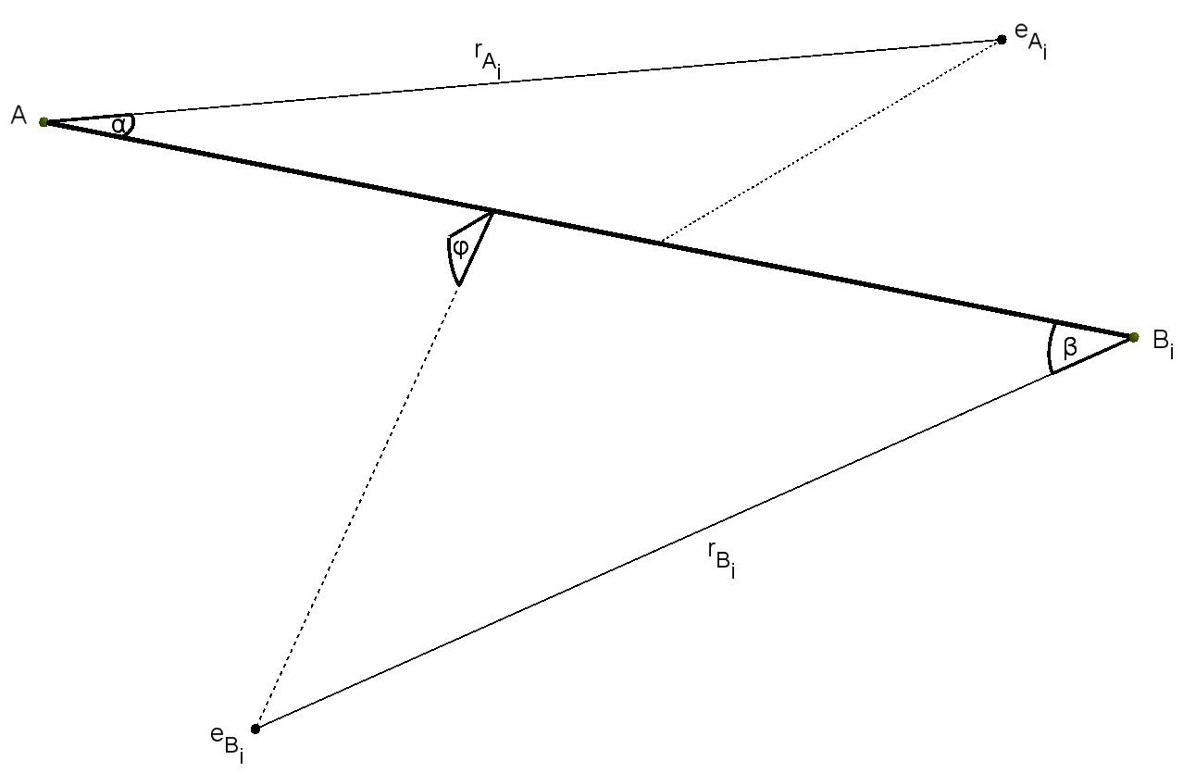
 |  |  |  |  |  |  |  |  |  |  |  |  |  | 0.000 |  |  |  |  |  |  |  |  |  |  |  |  |  |  |  |  |  |  |  |  |  |  |  | 1.8313278545E-10
Abn , n>2 | Atomic properties |  |  |  |  |  |  |  |  |  |  |  |  | Model values |  |  |  |  |  |  |  |  |  | Geometry
Molecule | EA [eV] | n (EA) | EB [eV] | n (EB) | Ei | li [Å] | θ | Di [eV] | p [D] | EA [eV] | EBi [eV] | Ei [eV] | E2 [eV] | ERR | cont | D [eV] (SOLVER) | p [D] (SOLVER) | Ei [eV] (SOLVER) | E2 [eV] (SOLVER) | E2 max [eV] | cont | -> | E2 [eV] reference | rA [Å] | rBi [Å] | α [deg] | β [deg] | φ [deg] | θ [deg] |  |  |  |  |  |  | Omega A | Omega B | par Kr(A)
PH3 | -10.487 | 3 | -13.598 | 1 | A | 1.421 | 1.628 | -3.64 | 0.58 | -9.87 | -13.50 | -9.87 | -13.50 | 0.000 | TRUE | -3.64 | 0.58 | -9.87 | -13.50 | -17.85 | OK | Cox | -13.50 | 1.238 | 1.504 | 80.3 | 40.9 | 0.0 | 93.3 | 1421 | 1238 | 1504 | 1401 | 0713 | 0000 | 0.0129 | 0.0129 | 0.6060 | 1
PF3 | -10.487 | 3 | -17.420 | 5 | A | 1.560 | 1.681 | -5.69 | 1.03 | -11.38 | -17.50 | -11.38 | -17.50 | 0.000 | TRUE | -5.69 | 1.03 | -11.38 | -17.50 | -22.22 | OK |  |  | 2.090 | 0.730 | 29.0 | 124.0 | 89.0 | 96.3 | 1560 | 2090 | 0730 | 0507 | 2164 | 1554 | 0.0191 | 0.0191 | 0.7377 | 1
PCl3 | -10.487 | 3 | -12.968 | 5 | A | 2.043 | 1.747 | -3.69 | 0.78 | -9.90 | -14.05 | -9.90 | -14.05 | 0.000 | TRUE | -3.69 | 0.78 | -9.90 | -14.05 | -17.24 | OK |  |  | 2.553 | 0.939 | 29.6 | 108.2 | 38.4 | 100.1 | 2043 | 2553 | 0939 | 0516 | 1889 | 0670 | 0.0133 | 0.0133 | 0.6667 | 1
PBr3 | -10.487 | 3 | -11.814 | 5 | A | 2.220 | 1.763 | -2.40 | 0.61 | -9.35 | -12.74 | -9.35 | -12.74 | 0.000 | TRUE | -2.40 | 0.61 | -9.35 | -12.74 | -15.35 | OK |  |  | 2.799 | 1.053 | 28.2 | 98.4 | 39.3 | 101.0 | 2220 | 2799 | 1053 | 0493 | 1717 | 0686 | 0.0117 | 0.0117 | 0.6175 | 1
AsH3 | -9.789 | 3 | -13.598 | 1 | A | 1.519 | 1.602 | -3.31 | 0.20 | -9.89 | -13.80 | -9.89 | -13.80 | 0.000 | TRUE | -3.31 | 0.20 | -9.89 | -13.80 | -16.80 | OK |  |  | 1.858 | 0.969 | 41.6 | 83.8 | 22.8 | 91.8 | 1519 | 1858 | 0969 | 0725 | 1463 | 0399 | 0.0131 | 0.0131 | 0.6209 | 1
PI3 | -10.487 | 3 | -10.451 | 5 | B | 2.430 | 1.780 | -2.25 | 0.00 | -11.91 | -9.15 | -9.15 | -11.91 | 0.000 | TRUE | -2.25 | 0.00 | -9.15 | -11.91 | -14.04 | OK |  |  | 2.877 | 1.402 | 22.5 | 99.4 | 47.6 | 102.0 | 2430 | 2877 | 1402 | 0392 | 1735 | 0831 | 0.0109 | 0.0109 | 0.3869 | 1
BF3 | -8.298 | 1 | -17.420 | 5 | A | 1.307 | 2.094 | -5.81 | 0.00 | -15.70 | -15.77 | -15.70 | -15.77 | 0.000 | TRUE | -5.81 | 0.00 | -15.70 | -15.77 | -15.83 | OK |  |  | 0.777 | 1.000 | 113.0 | 58.7 | 16.4 | 120.0 | 1307 | 0777 | 1000 | 1972 | 1025 | 0287 | 0.0211 | 0.0211 | 0.4118 | 1
NF3 | -14.534 | 3 | -17.420 | 5 | A | 1.370 | 1.789 | -2.63 | 0.23 | -12.94 | -17.86 | -12.94 | -17.86 | 0.000 | TRUE | -2.63 | 0.23 | -12.94 | -17.86 | -21.64 | OK |  |  | 1.568 | 0.777 | 39.5 | 81.0 | 0.0 | 102.5 | 1370 | 1568 | 0777 | 0689 | 1413 | 0000 | 0.0185 | 0.0185 | 0.6279 | 1
NH3 | -14.534 | 3 | -13.598 | 1 | B | 1.015 | 1.861 | -4.46 | 1.44 | -15.80 | -10.70 | -10.70 | -15.80 | 0.000 | TRUE | -4.46 | 1.44 | -10.70 | -15.80 | -21.90 | OK | Cox | -15.80 | 0.882 | 1.115 | 67.1 | 68.5 | 44.3 | 106.6 | 1015 | 0882 | 1115 | 1172 | 1196 | 0773 | 0.0164 | 0.0164 | 0.3799 | 1
 | -14.534 | 3 | -13.598 | 1 | B | 1.012 | 1.862 | -4.66 | 1.47 | -15.80 | -10.70 | -10.70 | -15.80 | 0.000 | TRUE | -4.66 | 1.47 | -10.70 | -15.80 | -22.09 | OK | Cox | -15.80 | 1.080 | 0.987 | 48.6 | 88.4 | 62.1 | 106.7 | 1012 | 1080 | 0987 | 0848 | 1543 | 1083 | 0.0169 | 0.0169 | 0.4027 | 1
 | -14.534 | 3 | -13.598 | 1 | B | 1.015 | 1.861 | -4.46 | 1.44 | -15.80 | -10.70 | -10.70 | -15.80 | 0.000 | TRUE | -4.46 | 1.44 | -10.70 | -15.80 | -21.90 | OK | Cox | -15.80 | 0.882 | 1.115 | 67.1 | 68.5 | 44.3 | 106.6 | 1015 | 0882 | 1115 | 1172 | 1196 | 0773 | 0.0164 | 0.0164 | 0.3799 | 1
CH4 | -11.260 | 2 | -13.598 | 1 | A | 1.087 | - | -4.55 | 0.00 | -12.61 | -22.90 | -12.61 | -22.90 | 0.000 | TRUE | -4.55 | 0.00 | -12.61 | -22.90 | -16.80 | OK | Cox | -22.90 | 1.134 | 0.568 | 59.0 | 102.7 | 61.2 | - | 1087 | 1134 | 0568 | 1030 | 1793 | 1067 | 0.0224 | 0.0224 | 0.7546 | 1
 | -11.260 | 2 | -13.598 | 1 | A | 1.087 | - | -4.11 | 0.00 | -12.61 | -22.90 | -12.61 | -22.90 | 0.000 | TRUE | -4.11 | 0.00 | -12.61 | -22.90 | -16.36 | OK | Cox | -22.90 | 1.689 | 0.588 | 24.4 | 90.1 | 27.1 | - | 1087 | 1689 | 0588 | 0426 | 1572 | 0473 | 0.0274 | 0.0274 | 0.5850 | 1
SiH4 | -8.152 | 2 | -13.598 | 1 | A | 1.480 | - | -3.47 | 0.00 | -11.00 | -18.20 | -11.00 | -18.20 | 0.000 | TRUE | -3.47 | 0.00 | -11.00 | -18.20 | -14.22 | OK | Cox | -18.20 | 1.505 | 0.730 | 51.2 | 99.7 | 49.4 | - | 1480 | 1505 | 0730 | 0894 | 1741 | 0863 | 0.0165 | 0.0165 | 0.7268 | 1
 | -8.152 | 2 | -13.598 | 1 | A | 1.480 | - | -3.98 | 0.00 | -11.00 | -18.20 | -11.00 | -18.20 | 0.000 | TRUE | -3.98 | 0.00 | -11.00 | -18.20 | -14.73 | OK | Cox | -18.20 | 1.417 | 0.737 | 56.1 | 95.5 | 24.6 | - | 1480 | 1417 | 0737 | 0979 | 1667 | 0429 | 0.0164 | 0.0164 | 0.7197 | 1
CF4 | -11.260 | 2 | -17.420 | 5 | A | 1.315 | - | -5.67 | 0.00 | -16.10 | -17.40 | -16.10 | -17.40 | 0.000 | TRUE | -5.67 | 0.00 | -16.10 | -17.40 | -18.25 | OK | Siegbahn | -17.40 | 0.772 | 1.044 | 107.4 | 47.9 | 0.0 | - | 1315 | 0772 | 1044 | 1875 | 0836 | 0000 | 0.0227 | 0.0227 | 0.4750 | 1
 | -11.260 | 2 | -17.420 | 5 | A | 1.315 | - | -5.67 | 0.00 | -14.70 | -17.40 | -14.70 | -17.40 | 0.000 | TRUE | -5.67 | 0.00 | -14.70 | -17.40 | -19.65 | OK | Siegbahn | -17.40 | 1.163 | 0.734 | 51.5 | 103.3 | 0.0 | - | 1315 | 1163 | 0734 | 0898 | 1802 | 0000 | 0.0205 | 0.0205 | 0.6184 | 1
GeH4 | -7.899 | 2 | -17.420 | 5 | A | 1.525 | - | -3.62 | 0.00 | -10.53 | -14.98 | -10.53 | -14.98 | 0.000 | TRUE | -3.62 | 0.00 | -10.53 | -14.98 | -18.41 | OK |  |  | 1.474 | 0.854 | 56.1 | 102.8 | 55.4 | - | 1525 | 1474 | 0854 | 0979 | 1795 | 0966 | 0.0143 | 0.0143 | 0.6836 | 1
CCl4 | -11.260 | 2 | -12.968 | 5 | A | 1.767 | - | -3.07 | 0.00 | -11.47 | -13.93 | -11.47 | -13.93 | 0.000 | TRUE | -3.07 | 0.00 | -11.47 | -13.93 | -15.83 | OK |  |  | 1.253 | 0.932 | 69.5 | 102.6 | 20.6 | - | 1767 | 1253 | 0932 | 1212 | 1790 | 0360 | 0.0142 | 0.0142 | 0.6245 | 1
SF6 | -10.360 | 4 | -17.423 | 2 | A | 1.565 | - | -4.06 | 0.00 | -15.32 | -17.30 | -15.32 | -17.30 | 0.000 | TRUE | -4.06 | 0.00 | -15.32 | -17.30 | -16.52 | OK | Siegbahn | -17.30 | 1.163 | 0.746 | 48.9 | 115.5 | 0.0 | - | 1565 | 1163 | 0746 | 0853 | 2016 | 0000 | 0.0217 | 0.0217 | 0.6287 | 1
 | -10.360 | 4 | -17.423 | 2 | A | 1.565 | - | -4.06 | 0.00 | -15.69 | -17.30 | -15.69 | -17.30 | 0.000 | TRUE | -4.06 | 0.00 | -15.69 | -17.30 | -16.15 | OK | Siegbahn | -17.30 | 1.097 | 0.738 | 51.1 | 122.9 | 0.0 | - | 1565 | 1097 | 0738 | 0892 | 2145 | 0000 | 0.0228 | 0.0228 | 0.6551 | 1
 | -10.360 | 4 | -17.423 | 2 | A | 1.565 | - | -3.44 | 0.00 | -15.32 | -17.30 | -15.32 | -17.30 | 0.000 | TRUE | -3.44 | 0.00 | -15.32 | -17.30 | -15.90 | OK | Siegbahn | -17.30 | 1.087 | 0.757 | 54.0 | 106.7 | 0.0 | - | 1565 | 1087 | 0757 | 0943 | 1863 | 0000 | 0.0210 | 0.0210 | 0.5954 | 1
 | -10.360 | 4 | -17.423 | 2 | A | 1.565 | - | -3.44 | 0.00 | -15.69 | -17.30 | -15.69 | -17.30 | 0.000 | TRUE | -3.44 | 0.00 | -15.69 | -17.30 | -15.53 | OK | Siegbahn | -17.30 | 1.075 | 0.756 | 52.7 | 107.7 | 0.0 | - | 1565 | 1075 | 0756 | 0920 | 1880 | 0000 | 0.0216 | 0.0216 | 0.5857 | 1

ABC
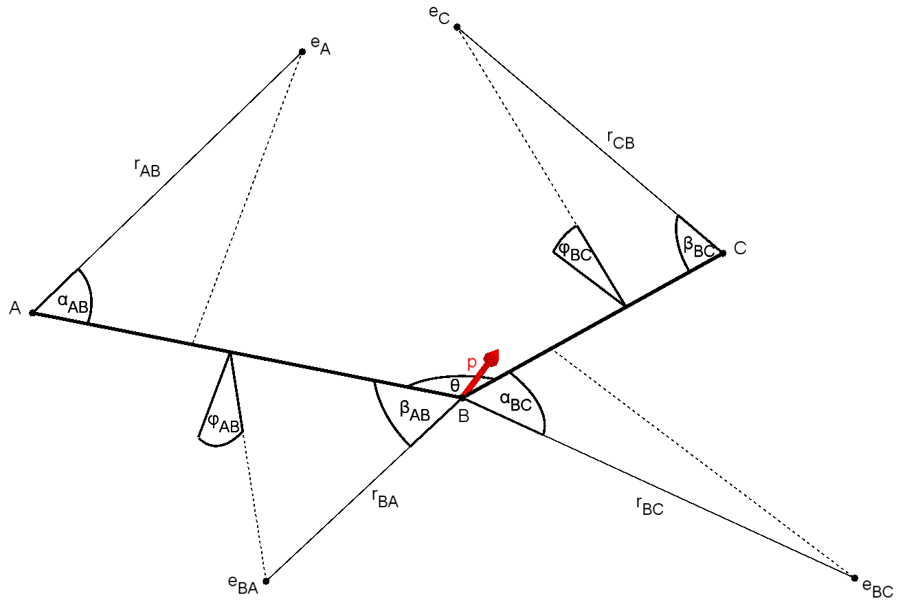
 |  |  |  |  |  |  |  |  |  |  |  |  |  |  |  |  |  |  |  |  |  |  | 1.00E-11
ABC |  |  |  |  |  |  |  |  |  |  |  | Geometry
Molecule | vAB | vBC | lAB [Å] | lBC [Å] | DAB [eV] | DBC [eV] | p [D] | EA [eV] | EBA [eV] | EBC [eV] | EC [eV] | rAB [Å] | rBA [Å] | rBC [Å] | rCB [Å] | αAB [deg] | βAB [deg] | φAB [deg] | αBC [deg] | βBC [deg] | φBC [deg] | θ [deg] | Omega A | Omega BA | par Kr(A) |  | Omega BC | Omega C | par Kr(BC)
HOH | 1 | 1 | 0.96 | 0.96 | -5.17 | -5.17 | 1.950 | -14.70 | -12.62 | -12.62 | -14.70 | 0.900 | 0.966 | 0.966 | 0.900 | 68.7 | 71.9 | 48.3 | 71.9 | 68.7 | 48.3 | 104.5 | 0.0176 | 0.0176 | 0.4544 | 1 | 0.0176 | 0.0176 | 0.5456 | 1
 | 1 | 1 | 0.96 | 0.96 | -5.17 | -5.17 | 1.850 | -14.70 | -12.62 | -12.62 | -14.70 | 0.880 | 0.992 | 0.992 | 0.880 | 71.6 | 68.4 | 47.6 | 68.4 | 71.6 | 47.6 | 104.5 | 0.0176 | 0.0176 | 0.4505 | 1 | 0.0176 | 0.0176 | 0.5495 | 1
 | 1 | 1 | 0.96 | 0.96 | -4.76 | -4.76 | 1.740 | -14.70 | -12.62 | -12.62 | -14.70 | 0.922 | 0.960 | 0.960 | 0.922 | 65.8 | 72.8 | 49.0 | 72.8 | 65.8 | 49.0 | 104.5 | 0.0176 | 0.0176 | 0.4563 | 1 | 0.0176 | 0.0176 | 0.5437 | 1
HSH | 1 | 1 | 1.33 | 1.33 | -4.20 | -4.20 | 0.970 | -13.20 | -10.46 | -10.46 | -13.20 | 1.367 | 1.179 | 1.179 | 1.367 | 46.6 | 78.1 | 6.3 | 78.1 | 46.6 | 6.3 | 92.2 | 0.0134 | 0.0134 | 0.4253 | 1 | 0.0134 | 0.0134 | 0.5747 | 1
 | 1 | 1 | 1.33 | 1.33 | -3.95 | -3.95 | 0.970 | -13.20 | -10.46 | -10.46 | -13.20 | 1.345 | 1.191 | 1.191 | 1.345 | 47.6 | 76.6 | 6.7 | 76.6 | 47.6 | 6.7 | 92.2 | 0.0134 | 0.0134 | 0.4242 | 1 | 0.0134 | 0.0134 | 0.5758 | 1
OSO | 2 | 2 | 1.43 | 1.43 | -5.65 | -5.65 | 1.630 | -13.05 | -12.35 | -12.35 | -13.05 | 1.067 | 1.314 | 1.314 | 1.067 | 72.1 | 54.3 | 4.7 | 54.3 | 72.1 | 4.7 | 119.5 | 0.0144 | 0.0144 | 0.4747 | 1 | 0.0144 | 0.0144 | 0.5253 | 1
OCO | 2 | 2 | 1.16 | 1.16 | -5.45 | -5.45 | 0.000 | -17.60 | -13.78 | -13.78 | -17.60 | 0.879 | 1.012 | 1.012 | 0.879 | 60.6 | 67.0 | 26.4 | 67.0 | 60.6 | 26.4 | 180.0 | 0.0195 | 0.0195 | 0.4033 | 1 | 0.0195 | 0.0195 | 0.5967 | 1
SCS | 2 | 2 | 1.55 | 1.55 | -4.12 | -4.12 | 0.000 | -10.07 | -12.90 | -12.90 | -10.07 | 1.445 | 1.139 | 1.139 | 1.445 | 61.5 | 66.3 | 27.9 | 66.3 | 61.5 | 27.9 | 180.0 | 0.0122 | 0.0122 | 0.5974 | 1 | 0.0122 | 0.0122 | 0.4026 | 1
HNH | 1 | 1 | 1.02 | 1.02 | -3.91 | -3.91 | 1.770 | -10.78 | -21.32 | -21.32 | -10.78 | 1.067 | 0.775 | 0.775 | 1.067 | 74.8 | 54.8 | 33.8 | 54.8 | 74.8 | 33.8 | 103.4 | 0.0197 | 0.0197 | 0.7253 | 1 | 0.0197 | 0.0197 | 0.2747 | 1
OOO | 2 | 2 | 1.28 | 1.28 | -1.13 | -1.13 | 0.534 | -12.53 | -15.85 | -15.85 | -12.53 | 1.175 | 1.040 | 1.040 | 1.175 | 61.0 | 54.6 | 28.2 | 54.6 | 61.0 | 28.2 | 116.7 | 0.0168 | 0.0168 | 0.5945 | 1 | 0.0168 | 0.0168 | 0.4055 | 1
ClOCl | 1 | 1 | 1.70 | 1.70 | -1.52 | -1.52 | 0.212 | -10.91 | -11.12 | -11.12 | -10.91 | 1.791 | 1.239 | 1.239 | 1.791 | 42.5 | 74.0 | 10.3 | 74.0 | 42.5 | 10.3 | 110.9 | 0.0116 | 0.0116 | 0.5083 | 1 | 0.0116 | 0.0116 | 0.4916 | 1
FOF | 1 | 1 | 1.41 | 1.41 | -1.70 | -1.70 | 0.297 | -13.15 | -13.11 | -13.11 | -13.15 | 1.049 | 1.456 | 1.456 | 1.049 | 73.1 | 43.8 | 17.0 | 43.8 | 73.1 | 17.0 | 103.0 | 0.0151 | 0.0151 | 0.4974 | 1 | 0.0151 | 0.0151 | 0.5025 | 1
FSF | 1 | 1 | 1.59 | 1.59 | -3.36 | -3.36 | 1.050 | -10.15 | -10.08 | -10.08 | -10.15 | 1.279 | 1.711 | 1.711 | 1.279 | 77.6 | 47.9 | 7.8 | 47.9 | 77.6 | 7.8 | 98.3 | 0.0106 | 0.0106 | 0.4922 | 1 | 0.0106 | 0.0106 | 0.5079 | 1
FNF | 1 | 1 | 1.37 | 1.37 | -3.30 | -3.30 | 0.120 | -11.82 | -11.63 | -11.63 | -11.82 | 1.104 | 1.573 | 1.573 | 1.104 | 76.8 | 43.6 | 5.2 | 43.6 | 76.8 | 5.2 | 104.2 | 0.0133 | 0.0133 | 0.4954 | 1 | 0.0133 | 0.0133 | 0.5046 | 1
HBH | 1 | 1 | 1.18 | 1.18 | -4.00 | -4.00 | 0.090 | -11.06 | -9.80 | -9.80 | -11.06 | 1.203 | 1.333 | 1.333 | 1.203 | 64.6 | 61.2 | 28.3 | 61.2 | 64.6 | 28.3 | 131.0 | 0.0120 | 0.0120 | 0.4642 | 1 | 0.0120 | 0.0120 | 0.5357 | 1
 | 1 | 1 | 1.18 | 1.18 | -4.00 | -4.00 | 0.450 | -12.48 | -9.80 | -9.80 | -12.48 | 1.119 | 1.303 | 1.303 | 1.119 | 64.0 | 63.7 | 29.5 | 63.7 | 64.0 | 29.5 | 131.0 | 0.0129 | 0.0129 | 0.4254 | 1 | 0.0129 | 0.0129 | 0.5746 | 1
 | 1 | 1 | 1.18 | 1.18 | -4.00 | -4.00 | 0.370 | -12.20 | -9.80 | -9.80 | -12.20 | 1.133 | 1.311 | 1.311 | 1.133 | 64.3 | 63.0 | 29.1 | 63.0 | 64.3 | 29.1 | 131.0 | 0.0127 | 0.0127 | 0.4329 | 1 | 0.0127 | 0.0127 | 0.5672 | 1
ONO | 2 | 2 | 1.19 | 1.19 | -3.16 | -3.16 | 0.316 | -9.59 | -14.00 | -14.00 | -9.59 | 1.301 | 1.096 | 1.096 | 1.301 | 66.0 | 58.0 | 43.4 | 58.0 | 66.0 | 43.4 | 133.8 | 0.0135 | 0.0135 | 0.6202 | 1 | 0.0135 | 0.0135 | 0.3798 | 1
NNO | 3 | 2 | 1.13 | 1.18 | -4.99 | -1.73 | 0.167 | -12.89 | -18.20 | -16.30 | -20.10 | 1.014 | 0.921 | 0.874 | 0.887 | 71.6 | 53.5 | 43.5 | 69.6 | 48.8 | 33.6 | 180.0 | 0.0193 | 0.0193 | 0.6288 | 1 | 0.0240 | 0.0240 | 0.6004 | 1
 | 1 | 2 | 1.13 | 1.18 | -4.99 | -1.73 | 0.167 | -12.89 | -16.30 | -20.10 | -18.20 | 0.890 | 1.264 | 0.737 | 0.959 | 97.2 | 39.3 | 66.7 | 67.6 | 50.6 | 29.2 | 180.0 | 0.0190 | 0.0190 | 0.5485 | 1 | 0.0258 | 0.0258 | 0.4582 | 1
OCS | 2 | 2 | 1.16 | 1.56 | -6.51 | -3.16 | 0.712 | -16.10 | -15.45 | -18.00 | -11.18 | 1.135 | 0.833 | 1.154 | 1.171 | 46.7 | 84.5 | 45.8 | 38.6 | 79.7 | 17.1 | 180.0 | 0.0201 | 0.0201 | 0.4981 | 1 | 0.0167 | 0.0167 | 0.2812 | 1
 | 2 | 2 | 1.16 | 1.56 | -6.51 | -3.16 | 0.650 | -18.00 | -15.45 | -16.10 | -11.18 | 1.087 | 0.819 | 1.114 | 1.210 | 43.7 | 88.3 | 50.4 | 48.0 | 74.1 | 19.2 | 180.0 | 0.0218 | 0.0218 | 0.4567 | 1 | 0.0154 | 0.0154 | 0.3359 | 1
 | 2 | 1 | 1.16 | 1.56 | -6.51 | -3.16 | 0.712 | -16.10 | -15.45 | -18.00 | -11.18 | 0.823 | 0.741 | 0.736 | 1.147 | 80.5 | 126.2 | 61.2 | 103.6 | 83.8 | 14.4 | 180.0 | 0.0234 | 0.0234 | 0.6477 | 1 | 0.0168 | 0.0168 | 0.2827 | 1
 | 2 | 1 | 1.16 | 1.56 | -6.51 | -3.16 | 0.650 | -16.10 | -15.45 | -18.00 | -11.18 | 0.814 | 0.743 | 0.739 | 1.139 | 82.8 | 125.2 | 57.2 | 102.1 | 85.2 | 11.3 | 180.0 | 0.0233 | 0.0233 | 0.6390 | 1 | 0.0168 | 0.0169 | 0.2881 | 1
OCSe | 2 | 2 | 1.15 | 1.71 | -6.60 | -2.69 | 2.980 | -17.58 | -9.59 | -18.87 | -9.58 | 0.938 | 1.220 | 0.838 | 1.389 | 54.6 | 72.4 | 32.3 | 56.1 | 74.1 | 27.9 | 180.0 | 0.0157 | 0.0157 | 0.3020 | 1 | 0.0149 | 0.0149 | 0.2134 | 1
 | 2 | 2 | 1.15 | 1.71 | -6.60 | -2.69 | 0.754 | -20.02 | -10.38 | -14.44 | -10.37 | 0.826 | 1.130 | 1.103 | 1.381 | 54.8 | 77.1 | 37.3 | 58.2 | 66.7 | 22.1 | 180.0 | 0.0179 | 0.0179 | 0.2729 | 1 | 0.0133 | 0.0133 | 0.3533 | 1
HNO | 1 | 2 | 1.06 | 1.21 | -4.98 | -2.12 | 1.620 | -10.10 | -16.21 | -17.27 | -17.88 | 1.155 | 0.936 | 0.891 | 0.879 | 70.8 | 59.7 | 28.9 | 61.4 | 59.5 | 30.1 | 108.6 | 0.0159 | 0.0159 | 0.6456 | 1 | 0.0229 | 0.0229 | 0.5166 | 1
 | 1 | 2 | 1.09 | 1.21 | -4.98 | -2.12 | 1.670 | -10.10 | -16.68 | -16.92 | -17.19 | 1.163 | 0.902 | 0.913 | 0.911 | 71.4 | 61.7 | 29.2 | 60.8 | 59.4 | 29.6 | 108.1 | 0.0160 | 0.0160 | 0.6586 | 1 | 0.0219 | 0.0219 | 0.5076 | 1
HCN | 1 | 3 | 1.07 | 1.16 | -5.62 | -9.71 | 2.664 | -13.60 | -13.97 | -19.21 | -19.86 | 1.015 | 0.969 | 0.700 | 0.737 | 64.8 | 68.1 | 17.2 | 84.9 | 69.1 | 37.6 | 180.0 | 0.0171 | 0.0171 | 0.5105 | 1 | 0.0268 | 0.0268 | 0.5067 | 1
 | 1 | 3 | 0.99 | 1.17 | -5.62 | -9.71 | 2.980 | -13.91 | -14.61 | -19.23 | -18.96 | 1.009 | 0.916 | 0.710 | 0.778 | 60.9 | 68.1 | 18.9 | 81.9 | 67.5 | 33.2 | 180.0 | 0.0183 | 0.0183 | 0.5181 | 1 | 0.0258 | 0.0258 | 0.4893 | 1
 | 1 | 3 | 0.99 | 1.17 | -5.62 | -9.71 | 3.050 | -12.50 | -13.13 | -17.73 | -18.54 | 1.051 | 1.026 | 0.777 | 0.797 | 63.6 | 62.9 | 19.5 | 77.2 | 66.9 | 32.0 | 180.0 | 0.0162 | 0.0162 | 0.5148 | 1 | 0.0240 | 0.0240 | 0.5166 | 1

ABBA
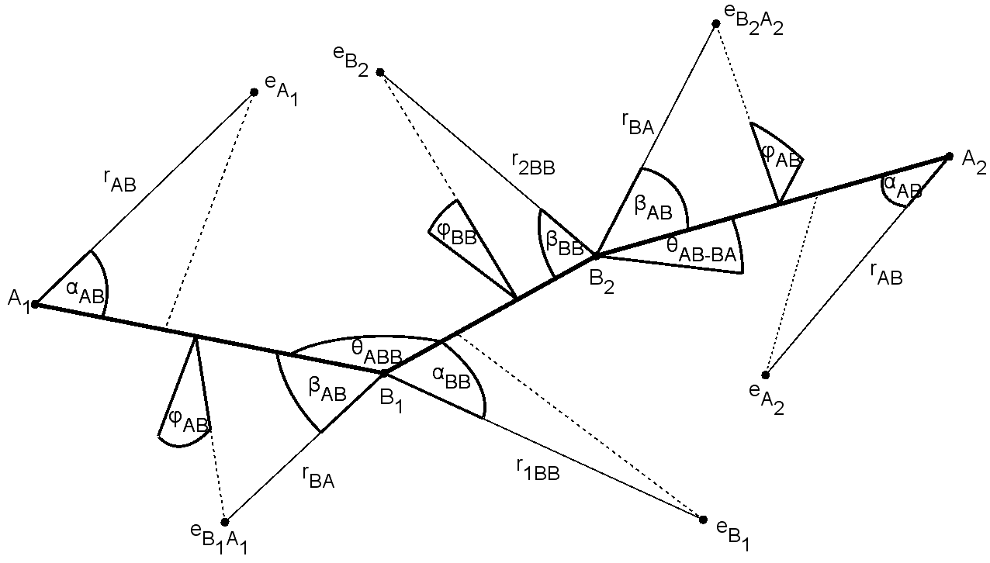
 |  |  |  |  |  |  |  |  |  |  |  |  |  |  |  |  |  |  |  |  |  |  |  | 4.77E-10
ABBA | Molecular properties |  |  |  |  |  |  |  |  |  |  | Geometry
Molecule | vAB | vBB | lAB [Å] | lBB [Å] | DAB[eV] | DBB [eV] | p [D] | EAB [eV] | EBA [eV] | EB1B2 [eV] | EB2B1 [eV] | rAB [Å] | rBA [Å] | r1BB [Å] | r2BB [Å] | αAB [deg] | βAB [deg] | φAB [deg] | αBB [deg] | βBB [deg] | φBB [deg] | θABB [deg] | θAB-BA [deg] | Omega A | Omega B | par Kr(A) |  | Omega B1 | Omega B2 | par Kr(B1)
HOOH | 1 | 1 | 0.950 | 1.475 | -3.88 | -2.183 | 1.770 | -10.58 | -13.42 | -10.99 | -13.91 | 0.984 | 1.010 | 1.236 | 1.195 | 61.4 | 61.6 | 27.3 | 70.8 | 54.1 | 20.9 | 94.8 | 119.8 | 0.0166 | 0.0166 | 0.4859 | 1 | 0.0138 | 0.0138 | 0.5924 | 1
 | 1 | 1 | 0.988 | 1.458 | -3.88 | -2.183 | 1.770 | -10.58 | -13.31 | -10.68 | -13.94 | 1.058 | 1.024 | 1.291 | 1.135 | 60.8 | 62.4 | 26.5 | 67.4 | 58.3 | 23.0 | 101.9 | 90.2 | 0.0158 | 0.0158 | 0.5091 | 1 | 0.0136 | 0.0136 | 0.6036 | 1
HSSH | 1 | 1 | 1.342 | 2.056 | -3.295 | -2.800 | 1.304 | -9.42 | -9.98 | -9.32 | -9.30 | 1.263 | 1.290 | 2.364 | 1.389 | 56.1 | 69.8 | 21.6 | 36.3 | 87.3 | 0.0 | 97.9 | 90.3 | 0.0115 | 0.0115 | 0.4282 | 1 | 0.0092 | 0.0092 | 0.5040 | 1
HCCH | 1 | 3 | 1.063 | 1.203 | -5.780 | -9.969 | 0.000 | -11.41 | -16.27 | -19.09 | -18.33 | 1.064 | 0.882 | 0.747 | 0.775 | 72.7 | 65.8 | 29.4 | 73.5 | 73.3 | 20.9 | 180.0 | 0.0 | 0.0170 | 0.0170 | 0.6146 | 1 | 0.0249 | 0.0249 | 0.4822 | 1
 | 1 | 3 | 1.063 | 1.203 | -5.760 | -8.670 | 0.000 | -11.41 | -16.27 | -19.09 | -18.33 | 1.081 | 0.881 | 0.762 | 0.786 | 70.4 | 66.0 | 25.5 | 70.0 | 70.9 | 24.6 | 180.0 | 0.0 | 0.0170 | 0.0170 | 0.6161 | 1 | 0.0249 | 0.0249 | 0.4821 | 1
ClSSCl | 1 | 1 | 2.057 | 1.931 | -2.000 | -3.410 | 1.402 | -12.60 | -12.10 | -9.66 | -11.30 | 1.086 | 2.187 | 2.330 | 1.155 | 91.6 | 31.3 | 27.5 | 34.4 | 92.4 | 0.0 | 108.2 | 84.8 | 0.0133 | 0.0133 | 0.4778 | 1 | 0.0110 | 0.0110 | 0.5653 | 1
FSSF | 1 | 1 | 1.635 | 1.890 | -3.000 | -3.750 | 1.450 | -12.33 | -10.62 | -12.65 | -10.76 | 1.660 | 1.208 | 2.120 | 1.176 | 39.7 | 83.4 | 5.9 | 30.2 | 97.0 | 8.8 | 106.3 | 87.9 | 0.0126 | 0.0126 | 0.4381 | 1 | 0.0128 | 0.0128 | 0.4549 | 1
HNNH | 1 | 2 | 1.028 | 1.252 | -2.636 | -4.726 | 0.000 | -11.04 | -16.02 | -13.12 | -9.65 | 1.167 | 0.912 | 1.199 | 1.337 | 58.7 | 62.4 | 28.3 | 55.5 | 64.7 | 22.9 | 106.9 | 180.0 | 0.0170 | 0.0170 | 0.6034 | 1 | 0.0128 | 0.0128 | 0.4003 | 1
NCCN | 3 | 1 | 1.154 | 1.389 | -5.000 | -5.926 | 0.000 | -13.60 | -15.72 | -13.37 | -13.92 | 1.076 | 0.985 | 1.581 | 0.900 | 61.0 | 58.8 | 26.5 | 38.0 | 96.5 | 12.8 | 180.0 | 0.0 | 0.0180 | 0.0180 | 0.5550 | 1 | 0.0166 | 0.0166 | 0.5426 | 1

CH3F
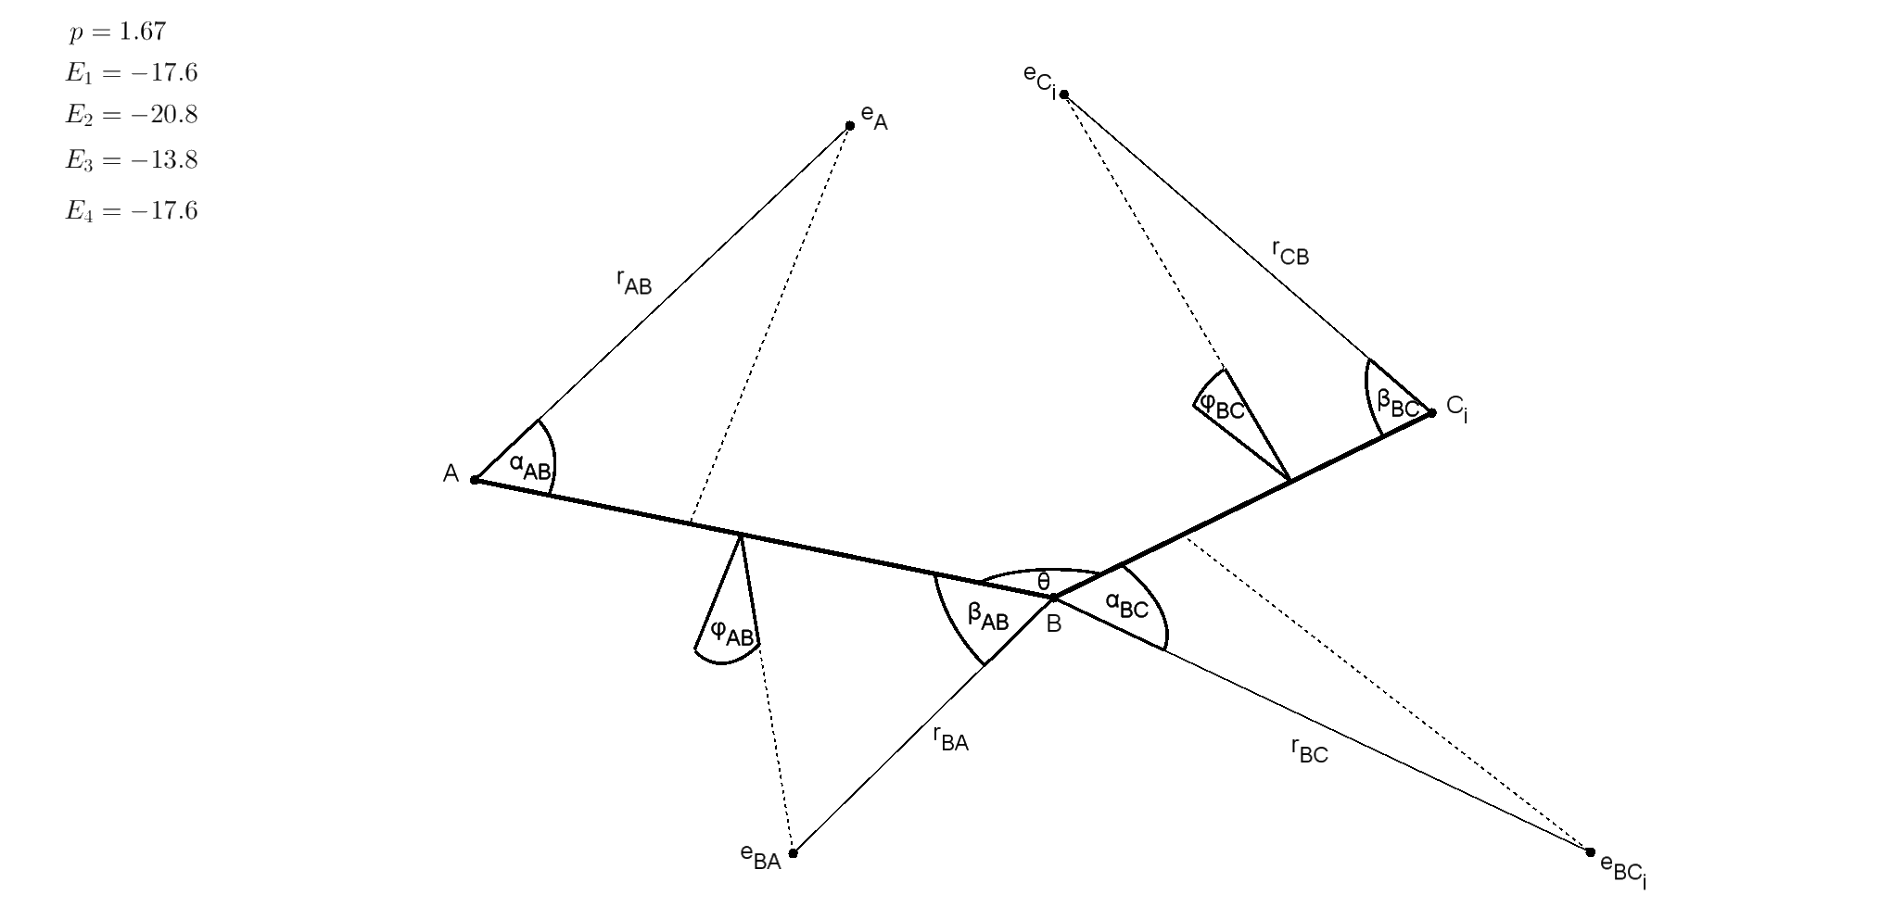
 |  |  |  |  |  |  |  |  |  |  |  |  |  |  |  |  |  |  |  |  |  |  |  | 3.33E-11
ABC3 | Molecular properties |  |  |  |  |  |  |  |  |  |  | Geometry
Molecule | vAB | vBC | lAB [Å] | lBC [Å] | DAB [eV] | DBC [eV] | p [D] | EA [eV] | EBA [eV] | EBC [eV] | EC [eV] | rAB [Å] | rBA [Å] | rBC [Å] | rCB [Å] | αAB [deg] | βAB [deg] | φAB [deg] | αBC [deg] | βBC [deg] | φBC [deg] | θCBC [deg] | θABC [deg] | Omega F | Omega C | par Kr(F) |  | Omega CH | Omega H | par Kr(CH)
FCH3 | 1 | 1 | 1.383 | 1.087 | -4.55 | -4.38 | 1.85 | -12.50 | -17.10 | -17.10 | -23.40 | 0.983 | 0.992 | 0.706 | 0.579 | 93.3 | 52.5 | 6.9 | 105.8 | 88.9 | 10.5 | 110.2 | 108.7 | 0.0181 | 0.0181 | 0.6084 | 1 | 0.0299 | 0.0299 | 0.5788 | 1
 | 1 | 1 | 1.383 | 1.087 | -4.55 | -4.38 | 1.85 | -12.50 | -17.10 | -23.40 | -17.10 | 0.983 | 0.992 | 0.579 | 0.706 | 93.3 | 52.5 | 6.9 | 88.9 | 105.8 | 10.5 | 110.2 | 108.7 | 0.0181 | 0.0181 | 0.6084 | 1 | 0.0299 | 0.0299 | 0.4212 | 1
 | 1 | 1 | 1.383 | 1.087 | -4.55 | -4.38 | 1.85 | -12.50 | -23.40 | -17.10 | -17.10 | 1.407 | 0.578 | 0.740 | 0.765 | 48.0 | 103.7 | 10.2 | 90.6 | 82.9 | 46.1 | 110.2 | 108.7 | 0.0212 | 0.0212 | 0.7765 | 1 | 0.0231 | 0.0231 | 0.4874 | 1
 | 1 | 1 | 1.383 | 1.087 | -4.55 | -4.38 | 1.85 | -17.10 | -12.50 | -17.10 | -23.40 | 0.992 | 0.983 | 0.706 | 0.579 | 52.5 | 93.3 | 6.9 | 105.8 | 88.9 | 10.5 | 110.2 | 108.7 | 0.0181 | 0.0181 | 0.3916 | 1 | 0.0299 | 0.0299 | 0.5788 | 1
 | 1 | 1 | 1.383 | 1.087 | -4.55 | -4.38 | 1.85 | -23.40 | -12.50 | -17.10 | -17.10 | 0.578 | 1.407 | 0.740 | 0.765 | 103.7 | 48.0 | 10.2 | 90.6 | 82.9 | 46.1 | 110.2 | 108.7 | 0.0212 | 0.0212 | 0.2235 | 1 | 0.0231 | 0.0231 | 0.4874 | 1
 | 1 | 1 | 1.383 | 1.087 | -4.55 | -4.38 | 1.85 | -17.10 | -12.50 | -23.40 | -17.10 | 0.992 | 0.983 | 0.579 | 0.706 | 52.5 | 93.3 | 6.9 | 88.9 | 105.8 | 10.5 | 110.2 | 108.7 | 0.0181 | 0.0181 | 0.3916 | 1 | 0.0299 | 0.0299 | 0.4212 | 1
 | 1 | 1 | 1.383 | 1.087 | -4.55 | -4.38 | 1.85 | -17.10 | -17.10 | -12.50 | -23.40 | 0.756 | 1.179 | 0.889 | 0.607 | 101.4 | 42.2 | 11.7 | 99.0 | 76.5 | 47.3 | 110.2 | 108.7 | 0.0226 | 0.0226 | 0.4670 | 1 | 0.0238 | 0.0238 | 0.6888 | 1
 | 1 | 1 | 1.383 | 1.087 | -4.55 | -4.38 | 1.85 | -23.40 | -17.10 | -12.50 | -17.10 | 0.566 | 1.163 | 0.883 | 0.751 | 117.1 | 42.8 | 7.2 | 101.1 | 87.0 | 54.4 | 110.2 | 108.7 | 0.0285 | 0.0285 | 0.2891 | 1 | 0.0199 | 0.0199 | 0.5717 | 1
 | 1 | 1 | 1.383 | 1.087 | -4.55 | -4.38 | 1.85 | -17.10 | -23.40 | -12.50 | -17.10 | 1.163 | 0.566 | 0.883 | 0.751 | 42.8 | 117.1 | 7.2 | 101.1 | 87.0 | 54.4 | 110.2 | 108.7 | 0.0285 | 0.0285 | 0.7109 | 1 | 0.0199 | 0.0199 | 0.5717 | 1
 | 1 | 1 | 1.383 | 1.087 | -4.55 | -4.38 | 1.85 | -17.10 | -17.10 | -23.40 | -12.50 | 0.756 | 1.179 | 0.607 | 0.889 | 101.4 | 42.2 | 11.7 | 76.5 | 99.0 | 47.3 | 110.2 | 108.7 | 0.0226 | 0.0226 | 0.4670 | 1 | 0.0238 | 0.0238 | 0.3112 | 1
 | 1 | 1 | 1.383 | 1.087 | -4.55 | -4.38 | 1.85 | -23.40 | -17.10 | -17.10 | -12.50 | 0.566 | 1.163 | 0.751 | 0.883 | 117.1 | 42.8 | 7.2 | 87.0 | 101.1 | 54.4 | 110.2 | 108.7 | 0.0285 | 0.0285 | 0.2891 | 1 | 0.0199 | 0.0199 | 0.4283 | 1
 | 1 | 1 | 1.383 | 1.087 | -4.55 | -4.38 | 1.85 | -17.10 | -23.40 | -17.10 | -12.50 | 1.163 | 0.566 | 0.751 | 0.883 | 42.8 | 117.1 | 7.2 | 87.0 | 101.1 | 54.4 | 110.2 | 108.7 | 0.0285 | 0.0285 | 0.7109 | 1 | 0.0199 | 0.0199 | 0.4283 | 1

